Student Performance Analysis
Dashboard | Test case number | Test case scenario | Test steps count | Test steps (actual) | Expected Result | Final Result | Pass/Fail
Student Performance Analysis | 1 | Verify that tooltip is being shown in the hover action over Grade Radial Graph | 1 | Hover over the Grade Radial Graph | Tooltip should be visible | Same as expected | Pass
 | 2 | Verify that Grade Radial Graph is being filtered on the department filter | 1 | Click on the department filter for different departments and select anyone | Grade Radial Graph should show grade percentages only for that particular department | Same as expected | Pass
 | 3 | Verify that the box plot chart for Student Score distribution is filtering for the right Department | 1 | Click on the department filter for different departments and select anyone | Box-Plot graph values should be updated as per the department | Same as expected | Pass
 | 4 | Verify whether tooltip shows the necessary information Student Score distribution | 1 | Hover over the box plot | Maximum, Minimum and Median Scores should be visible | Same as expected | Pass
 | 5 | Verify that tooltip is being shown in the hover action over Student Score and Attendance by Gender graph | 1 | Hover over any bar in Student Score and Attendance by Gender graph | Tooltip should show info about department, student gender and avg. attendance | Same as expected | Pass
 | 6 | Verify that tooltip is being shown in the hover action over Individual Student Attendance with Score graph | 1 | Hover over any point in Individual Student Attendance with Score scatterplot graph | Tooltip should show info about Roll no, student name, avg. score and avg. attendance | Same as expected | Pass
 | 7 | Verify that the back subject list is getting updated in Back Subject with Student Count view as per department | 1 | Click on the department filter for different departments and select anyone | Back subject list should be updated in Back Subject with Student Count view as per department | Same as expected | Pass
 | 8 | Verify that the back subject list is getting updated in Back Subject with Student Count view as per value of "Top n Back Subjects" | 1 | Change the value of "Top n Back Subjects" parameter | Back subject list should be updated in Back Subject with Student Count view as per value of "Top n Back Subjects" parameter | Same as expected | Pass

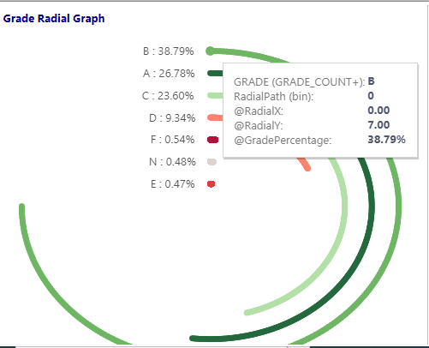
Test Case No. | Screenshot
1

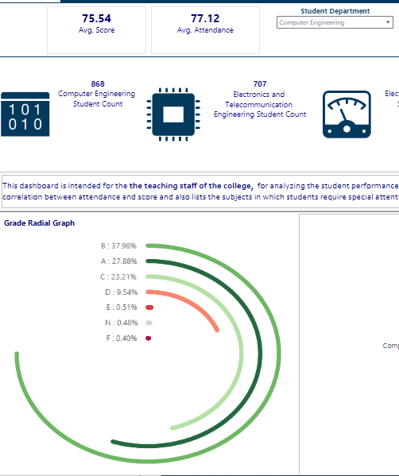
2 | For Computer Engineering |  |  | For Electrical Engineering

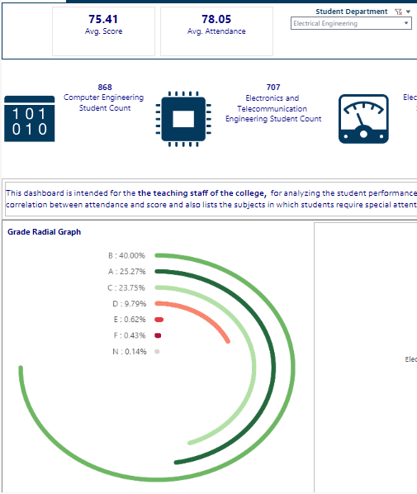

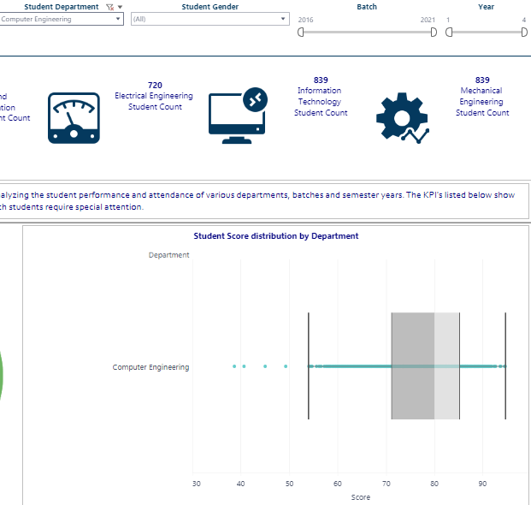
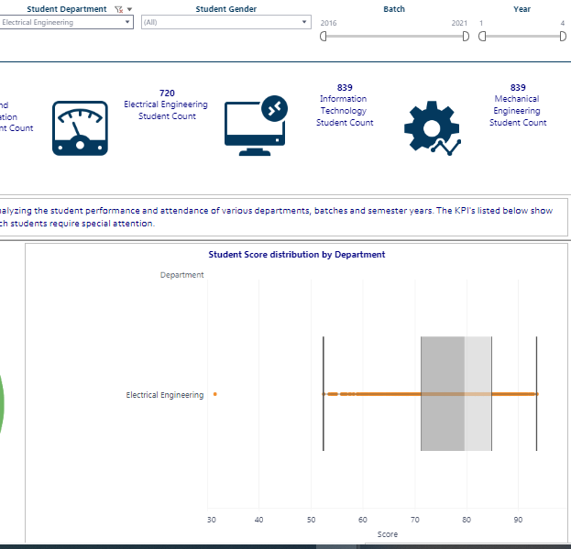
3 | For Computer Engineering |  |  | For Electrical Engineering

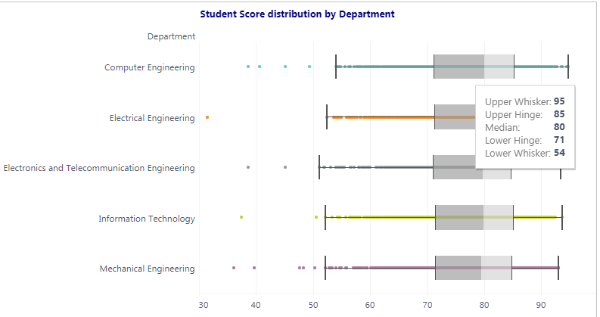
4

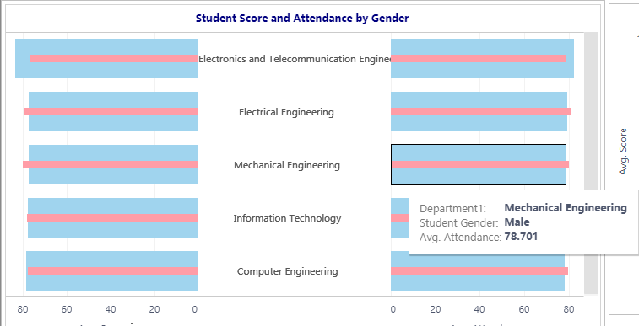
5 | Avg. Attendance |  |  | Avg. Score
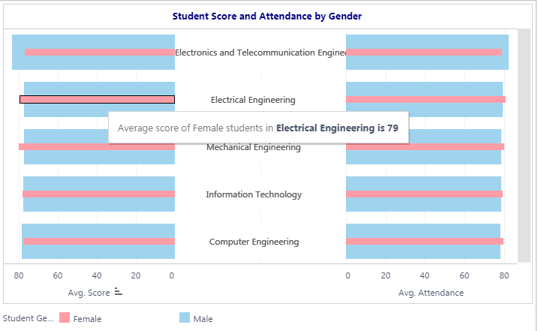

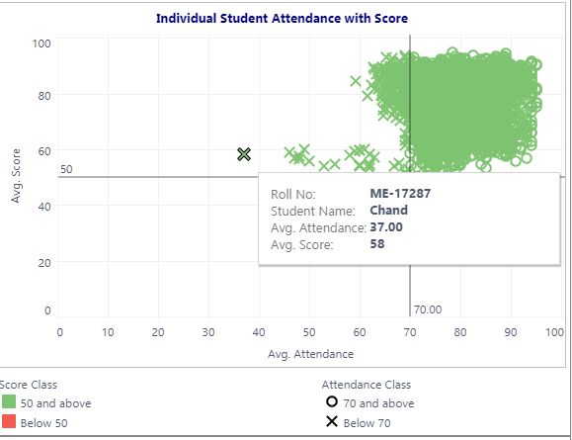
6

7
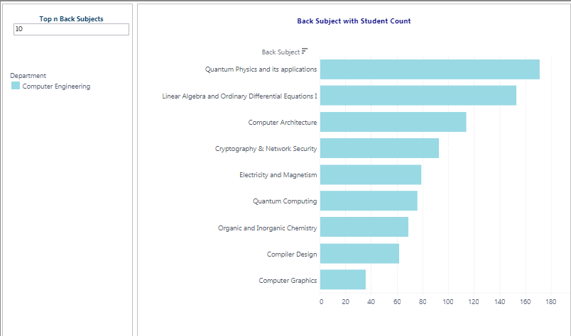
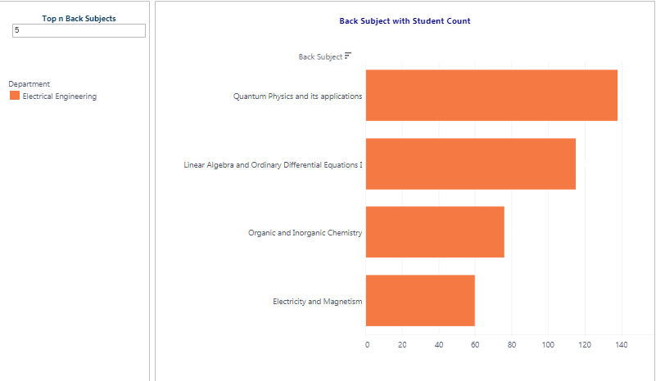

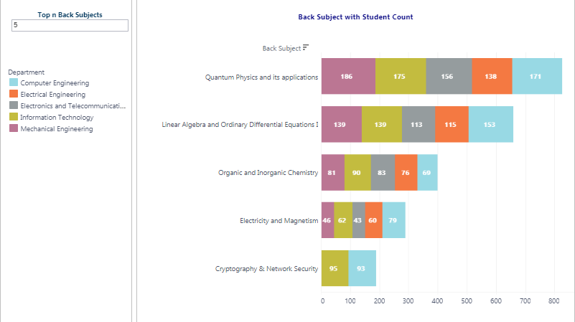
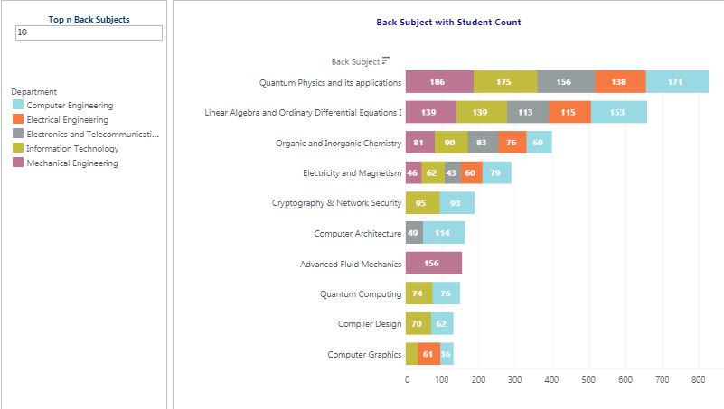
8

Training and Placement Trend An
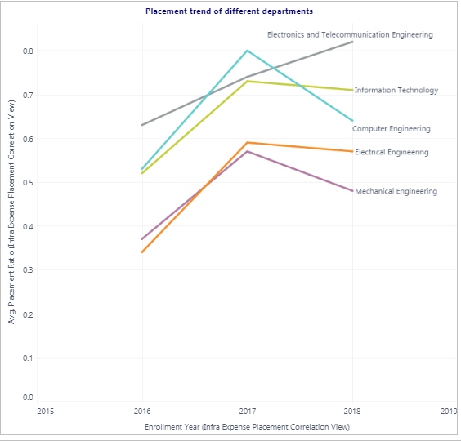
Dashboard | Test case number | Test case scenario | Test steps count | Test steps (actual) | Expected Result | Final Result | Pass/Fail
Training and Placement Trend Analysis | 1 | Verify that only those poins will be highlighted for which colour value is selected from legend in No. of Internships done v/s Average Score scatterplot | 1 | Select any colour from legend | All points related to colour value selected from legend should be highlighted | Same as expected | Pass
 | 2 | Verify that the student data points get updated according to the value of department for No. of Internships done v/s Average Attendance view | 1 | Click on the department filter for different departments and select anyone | Student data points should be updated according to the value of department in No. of Internships done v/s Average Attendance view | Same as expected | Pass
 | 3 | Verify that the internship company list is getting updated in Student Count per Internship Company view as per value of "Top n companies" | 1 | Change the value of "Top n companies" parameter | Internship company list should be updated in Student Count per Internship Company view as per value of "Top n companies" parameter | Same as expected | Pass
 | 4 | Verify that the recruiter company list is getting updated in Top companies by recruitment view as per value of "Top n recruiters" | 1 | Change the value of "Top n recruiters" parameter | The recruiter company list should be updated in Top companies by recruitment view as per value of "Top n recruiters" | Same as expected | Pass
 | 5 | Verify that the company recruitment information is visible as per the recruiter company name provided in Top companies by recruitment view | 1 | Change the value of "Recruiter Company" parameter. | The company recruitment information should be visible as per the "Recruiter Company" parameter. | Same as expected | Pass
 | 6 | Verify that tooltip is showing year of expese and total expense in Placement Correlation with recruitment expense view | 1 | Hover over the Total_expense_scaled bar | The tooltip should be showing year of expese and total expense in Placement Correlation with recruitment expense view | Same as expected | Pass
 | 7 | Verify that placement trend data is getting updated by department value in Placement trend of different departments view | 1 | Click on the department filter for different departments and select anyone | Placement trend data should be updated by department value | Same as expected | Pass

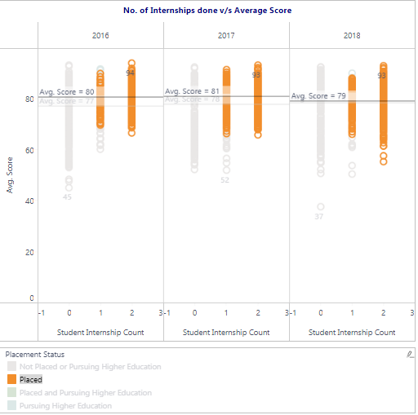
Test Case No. | Screenshot
1

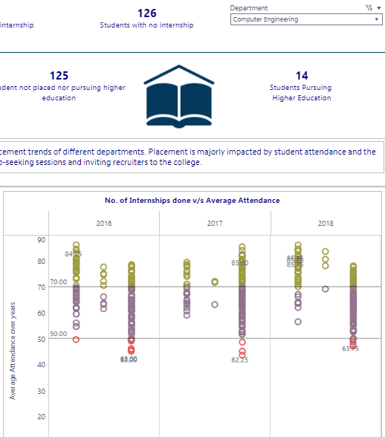
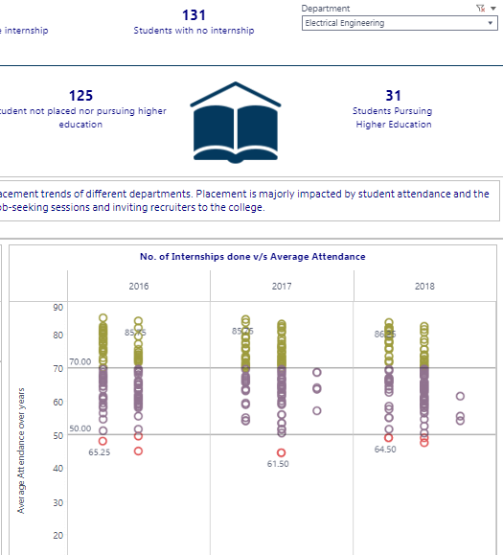
2

3
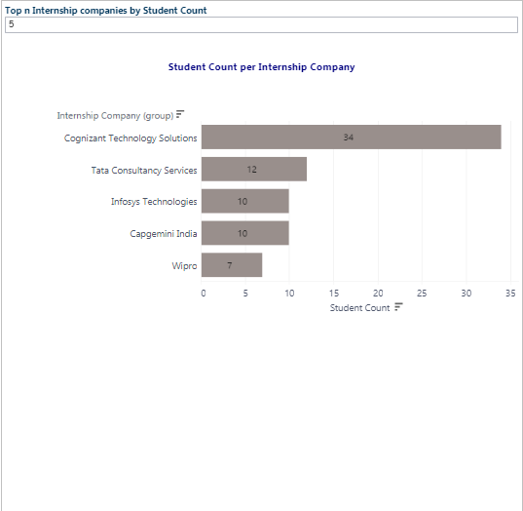
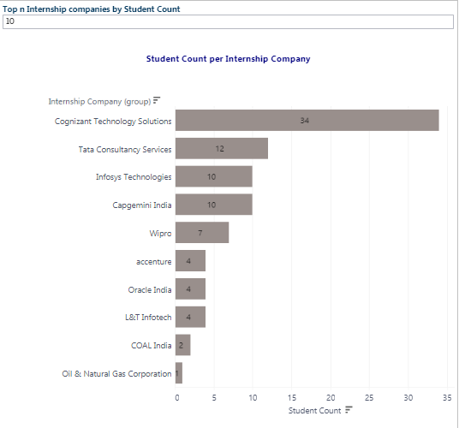

4
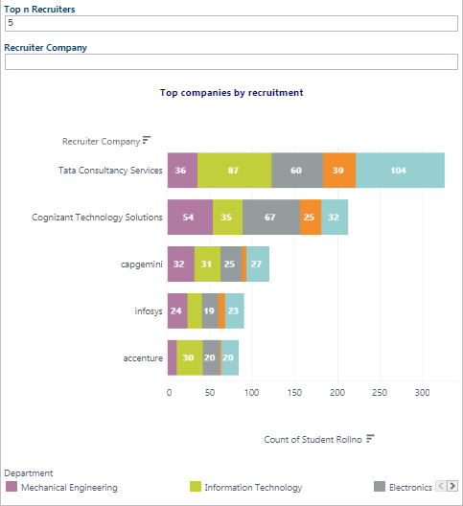
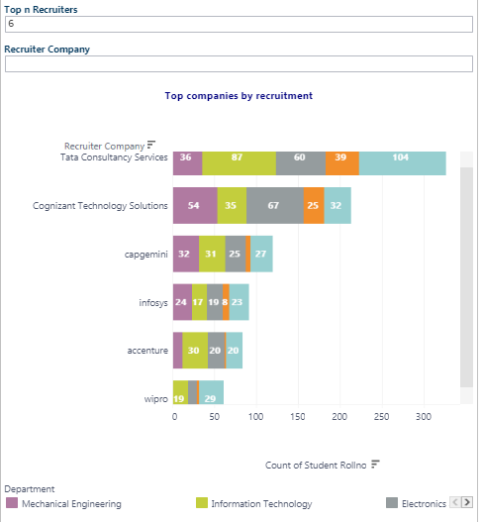

5
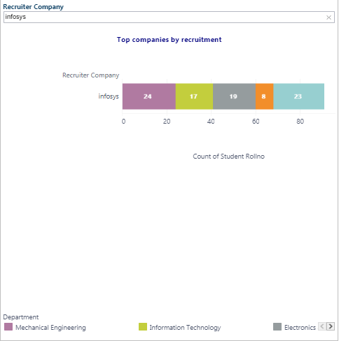

6
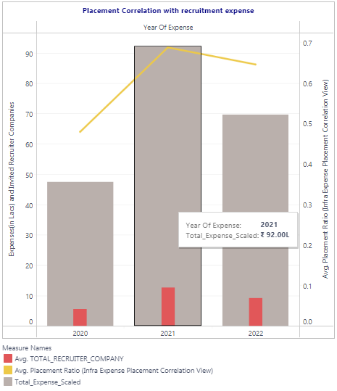

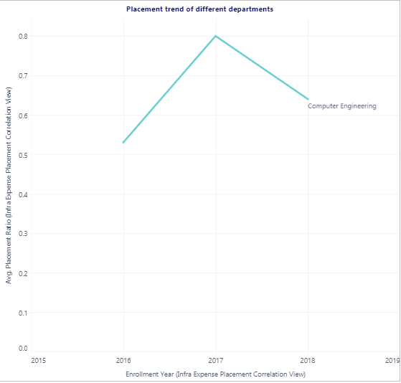
7

Recruitment Dashboard
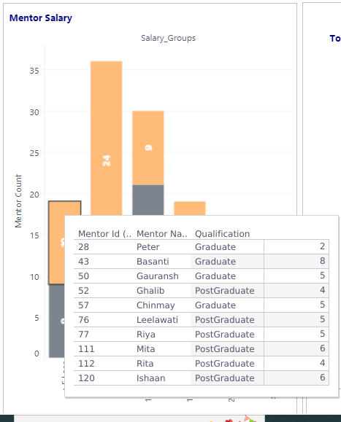
Dashboard | Test case number | Test case scenario | Test steps count | Test steps (actual) | Expected Result | Final Result | Pass/Fail
Recruitment Dashboard | 1 | Verify that the placement orbit chart is visible for mentor having selected degree in Placement Pct by Qualification view | 1 | Click on any one of the mentor degree | The placement orbit chart should be visible visible for mentor having selected degree in Placement Pct by Qualification view | Same as expected | Pass
 | 2 | Verify that the box plot is visible for mentor having selected degree in Placement Pct by Qualification view | 1 | Click on any one of the mentor degree | The box plot should be visible for mentor having selected degree in Placement Pct by Qualification view | Same as expected | Pass
 | 3 | Verify that the tooltip contains the Max, Min and Median score for box plot in Student Score by Mentor YOE | 1 | Hover over the box plot in Student Score by Mentor YOE | The tooltip should show the Max, Min and Median score for box plot | Same as expected | Pass
 | 4 | Verify that feedback score is showed for all mentors when "Feedback Score" is selected from filter in Mentors by Feedback Score view | 1 | Select feedback score from filter | Feedback score should be shown for all mentors | Same as expected | Pass
 | 5 | Verify that placement ratio is showed for all mentors when "Placement Ratio" is selected from filter in Mentors by Feedback Score view | 1 | select palcement ratio from filter | Placement ratio should be shown for all mentors | Same as expected | Pass
 | 6 | Verify that mentor information is shown as per the provided mentor id in Mentor and Placement view | 1 | Enter mentor id in filter | Mentor information should be shown as per the provided mentor id | Same as expected | Pass
 | 7 | Verify that mentor information is shown as per the provided mentor name in Mentor and Placement view | 1 | Enter mentor name in filter | Mentor information should be shown as per the provided mentor name | Same as expected | Pass
 | 8 | Verify that the tooltip contains all mentors information in Mentor Salary view | 1 | Hover over any part of bar | The tooltip should show all mentors information such as mentor id,name,qualification & YoE | Same as expected | Pass

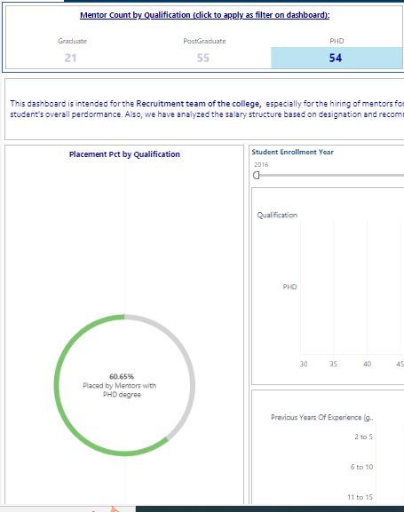
Test Case No. | Screenshot
1

2
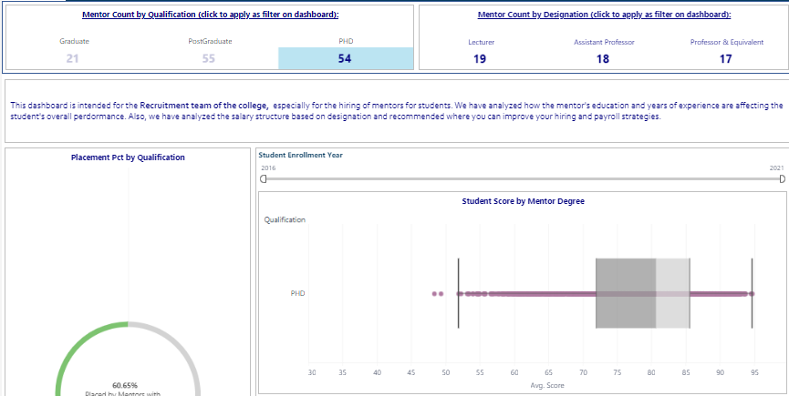

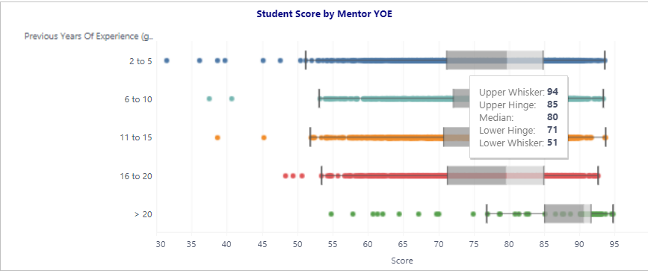
3

4
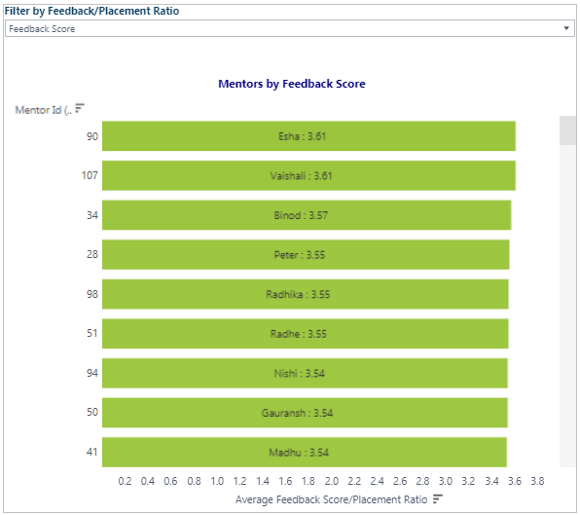

5
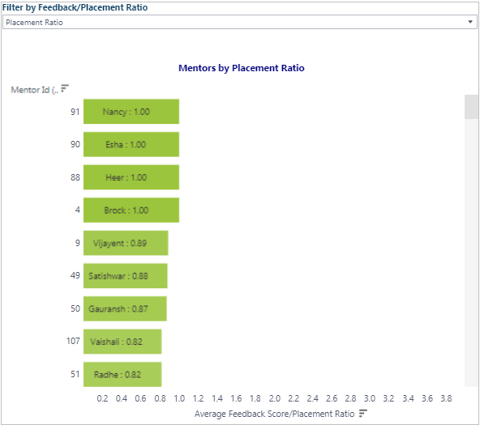

6
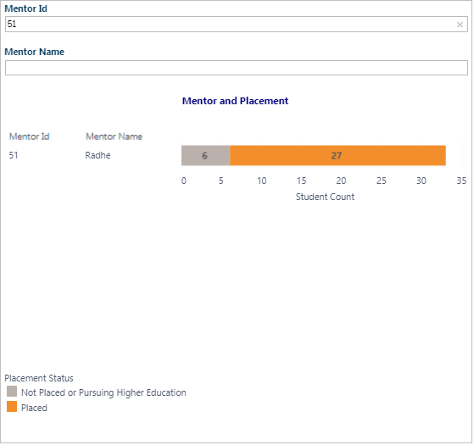

7
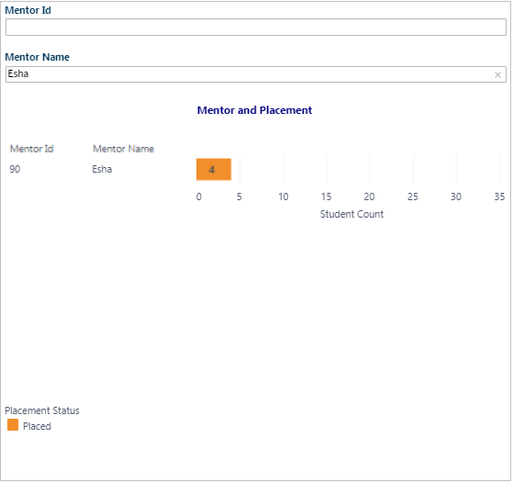

8

College Enrollment Overview
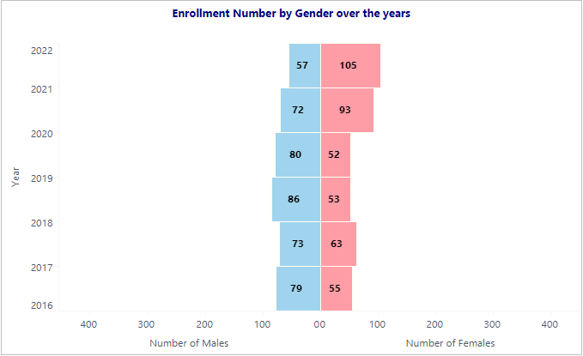
Dashboard | Test case number | Test case scenario | Test steps count | Test steps (actual) | Expected Result | Final Result | Pass/Fail
College Enrollment Overview | 1 | Verify that placement trend is shown for department selected from filter in Placement trend of different departments view | 1 | select any department from filter | Placement trend is shown for department selected from filter. | Same as expected | Pass
 | 2 | Verify that infra expense details are shown for department selected from filter in Dept Expense by Year view | 1 | select any department from filter | Infra expense details should be shown for department selected from filter | Same as expected | Pass
 | 3 | Verify that no. of male and female students getting updated by department selected from filter in Enrollment Number by Gender over the years view | 1 | select any department from filter | No. of male and female students should be updated by department selected from filter | Same as expected | Pass
 | 4 | Verify that tooltip shows student id, family income, entrance exam marks and scholership status for highlighted point in Scatterplot of Family Income vs Entrance exam marks view | 1 | Hover over any point | The tooltip should show student id, family income, entrance exam marks and scholership status for highlighted point | Same as expected | Pass
 | 5 | Verify that tooltip shows no. of enrollments happened for hovered state in Enrollment Number by State view | 1 | Hover over any state | The tooltip should show no. of enrollments happened for hovered state | Same as expected | Pass
 | 6 | Verify that data in Enrollment with College Campaign view getting updated as per selected state | 1 | Select any state from filter | Data in Enrollment with College Campaign view should be updated as per selected state | Same as expected | Pass

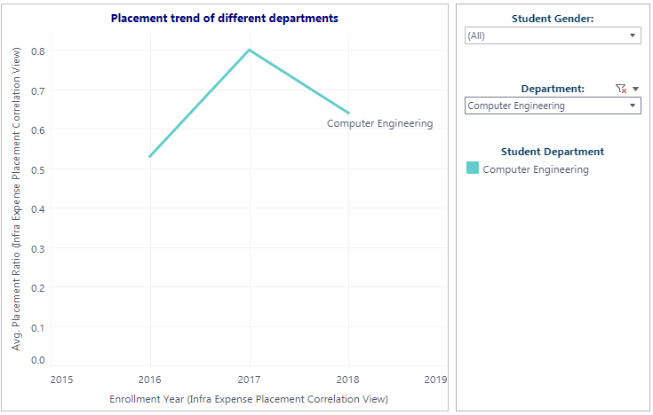
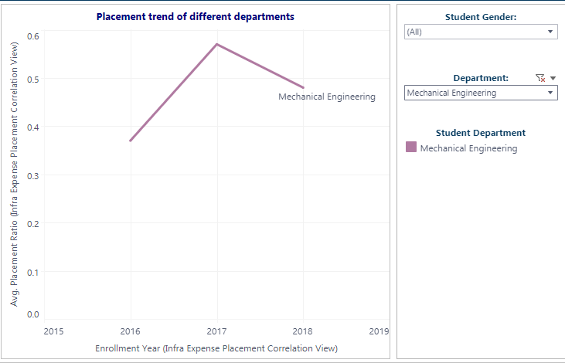
Test Case No. | Screenshot
1

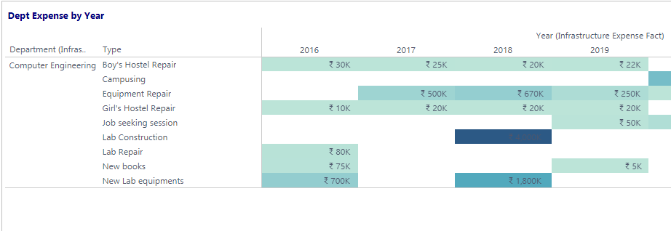

2

3 | For Computer Engineering |  |  |  | For Mechanical Engineering

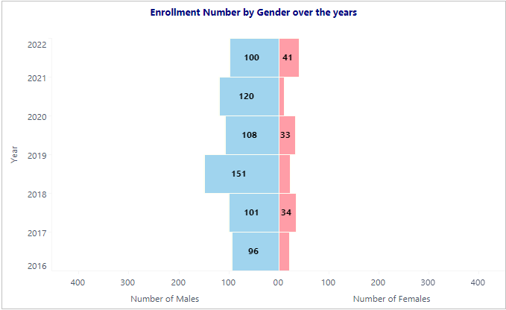

4
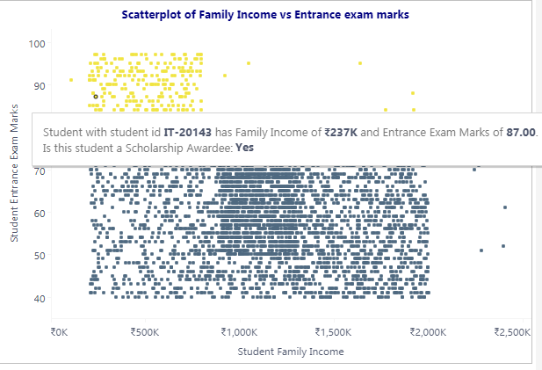

5
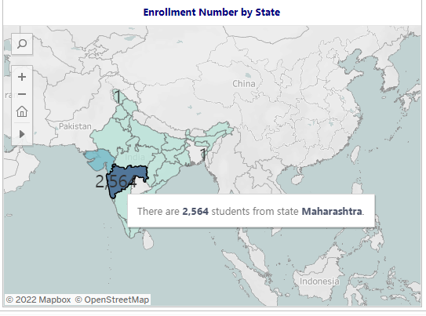

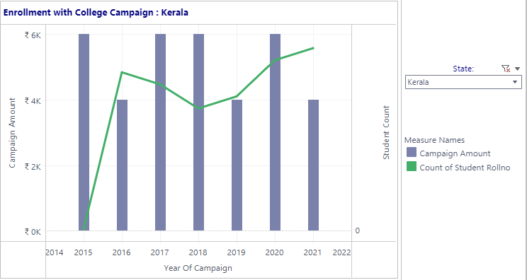
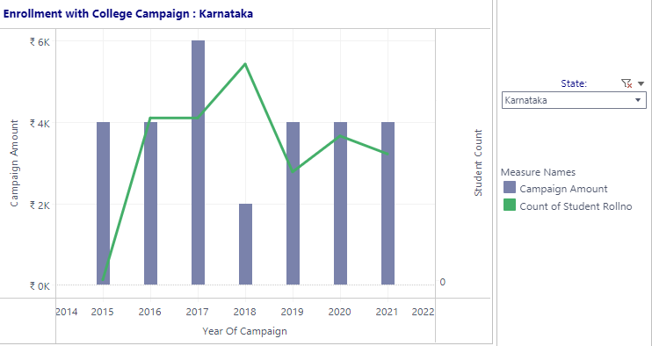
6

Recommendation Dashboard
Dashboard | Test case number | Test case scenario | Test steps count | Test steps (actual) | Expected Result | Final Result | Pass/Fail
Recommendation Dashboard | 1 | Verify that tooltip shows polarity and subjectivity values for each keyword in Technology v/s Polarity & Subjectivity view | 1 | Hover over bar of any keyword | The tooltip should show polarity and subjectivity values for each keyword | Same as expected | Pass
 | 2 | Verify that top skills list is getting updated as per the value of "Top n Skills" parameter in Top Skills view | 1 | Change value of "Top n Skills" parameter | Top skills list is should be updated as per the value of "Top n Skills" parameter | Same as expected | Pass

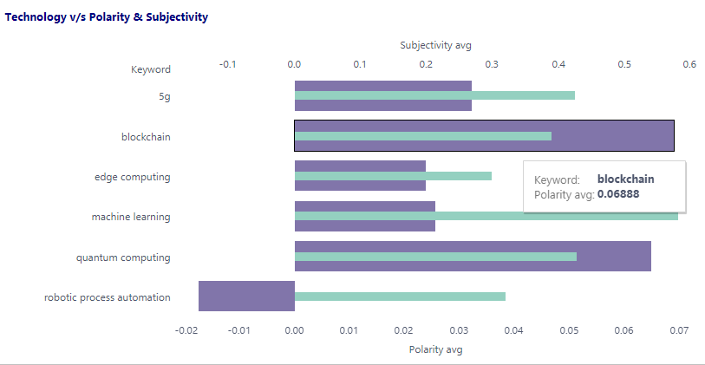
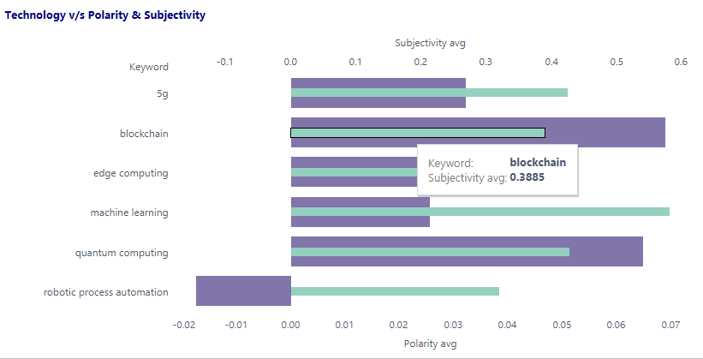
Test Case No. | Screenshot
1



2

